OR res calcs
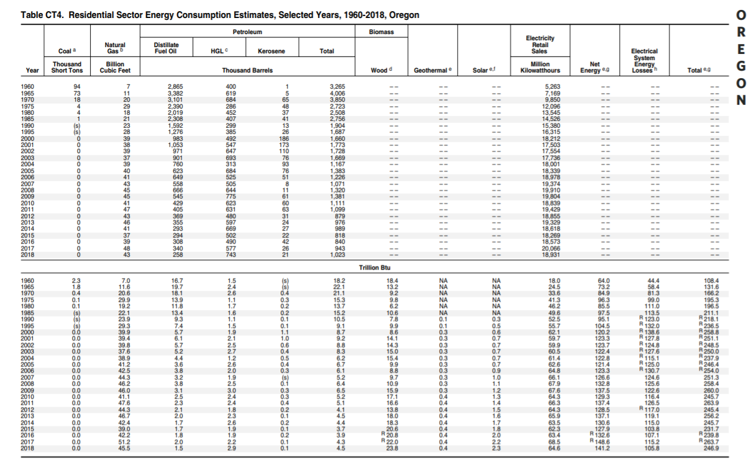
data: https://www.eia.gov/state/seds/seds-data-complete.php?sid=OR#Consumption |  |  |  |  |  |  | *using 2017 US heating/cooling distribution:
see table CT43 below |  |  |  |  |  |  | Heating & Cooling: |  | 0.34
 | OR residential comsumption (total) | 2015 | 2016 | 2017 | 2018 |  | 2015 | 2016 | 2017 | 2018
 | electricity (BTU) | 6.23E+13 | 63400000000000 | 68500000000000 | 6.46E+13 | total | 42704000000000 | 44302000000000 | 49640000000000 | 47056000000000
 | coal (BTU) | 0 | 0 | 0 | 0 | % elec | 55.50%
 | natural gas (BTU) | 39000000000000 | 42200000000000 | 51200000000000 | 45500000000000 | %ng | 40.00%
 | petroleum diesel (BTU) | 3700000000000 | 3900000000000 | 4300000000000 | 4500000000000 | %petrol | 2.00%
 | heat (BTU) | 0 | 0 | 0 | 0 | %biomass | 2.50% | <-- percentages are estimates from ODOE graphs
 | biomass (BTU) | 20600000000000 | 20800000000000 | 22000000000000 | 23800000000000
 | total | 125600000000000 | 130300000000000 | 146000000000000 | 138400000000000
 |  |  |  |  |  |  | Heating*
 | OR residential comsumption (total) | 2015 | 2016 | 2017 | 2018 |  | 2015 | 2016 | 2017 | 2018 | 2019 | 2020 | 2021 | 2022 | 2023 | 2024 | 2025 | 2026 | 2027 | 2028 | 2029 | 2030 | 2031 | 2032 | 2033 | 2034 | 2035 | 2036 | 2037 | 2038 | 2039 | 2040 | 2041 | 2042 | 2043 | 2044 | 2045 | 2046 | 2047 | 2048 | 2049 | 2050
 | electricity (BTU) | 62.3 | 63.4 | 68.5 | 64.6 | electricity (BTU) | 1.1341322276E+13 | 1.176571889E+13 | 1.3183384174E+13 | 1.249712582E+13 | 1.2542499159E+13 | 1.2584969792E+13 | 1.2625453885E+13 | 1.2664065236E+13 | 1.2713516932E+13 | 1.2764863414E+13 | 1.2859359723E+13 | 1.295457863E+13 | 1.3052674563E+13 | 1.3150020453E+13 | 1.3242011215E+13 | 1.3334029006E+13 | 1.3423569572E+13 | 1.3521521019E+13 | 1.3623009679E+13 | 1.3716682043E+13 | 1.3808505985E+13 | 1.3892714853E+13 | 1.3976394102E+13 | 1.4059087907E+13 | 1.4138896884E+13 | 1.4215402378E+13 | 1.4289487521E+13 | 1.4361006369E+13 | 1.4429887834E+13 | 1.4495655737E+13 | 1.4558272587E+13 | 1.461743361E+13 | 1.4673319286E+13 | 1.4726652598E+13 | 1.477715967E+13 | 1.4823452096E+13
 | coal (BTU) | 0 | 0 | 0 | 0 | coal (BTU) | 0 | 0 | 0 | 0 | 0 | 0 | 0 | 0 | 0 | 0 | 0 | 0 | 0 | 0 | 0 | 0 | 0 | 0 | 0 | 0 | 0 | 0 | 0 | 0 | 0 | 0 | 0 | 0 | 0 | 0 | 0 | 0 | 0 | 0 | 0 | 0
 | natural gas (BTU) | 39 | 42.2 | 51.2 | 45.5 | natural gas (BTU) | 17081600000000 | 17720800000000 | 19856000000000 | 18822400000000 | 1.8851168694E+13 | 1.8872155322E+13 | 1.8886342732E+13 | 1.8894118978E+13 | 1.8914276621E+13 | 1.893526288E+13 | 1.9019650492E+13 | 1.9105862654E+13 | 1.9198355705E+13 | 1.9293374552E+13 | 1.938526008E+13 | 1.9481898561E+13 | 1.958001984E+13 | 1.9694247383E+13 | 1.9817926526E+13 | 1.9934124331E+13 | 2.0050224756E+13 | 2.0157942559E+13 | 2.026592344E+13 | 2.0373359979E+13 | 2.0476762589E+13 | 2.0574919054E+13 | 2.0669374923E+13 | 2.0759522366E+13 | 2.0845079329E+13 | 2.0925339212E+13 | 2.100013507E+13 | 2.1068935741E+13 | 2.113200971E+13 | 2.1190330616E+13 | 2.1243533917E+13 | 2.128963034E+13
 | petroleum diesel (BTU) | 3.7 | 3.9 | 4.3 | 4.5 | petroleum diesel (BTU) | 854080000000 | 886040000000 | 992800000000 | 941120000000 | 9.4255843469E+11 | 9.4360776612E+11 | 9.4431713658E+11 | 9.4470594888E+11 | 9.4571383103E+11 | 9.4676314402E+11 | 9.5098252458E+11 | 9.552931327E+11 | 9.5991778526E+11 | 9.6466872759E+11 | 9.6926300399E+11 | 9.7409492803E+11 | 9.79000992E+11 | 9.8471236916E+11 | 9.9089632632E+11 | 9.9670621657E+11 | 1.0025112378E+12 | 1.007897128E+12 | 1.013296172E+12 | 1.0186679989E+12 | 1.0238381294E+12 | 1.0287459527E+12 | 1.0334687461E+12 | 1.0379761183E+12 | 1.0422539665E+12 | 1.0462669606E+12 | 1.0500067535E+12 | 1.0534467871E+12 | 1.0566004855E+12 | 1.0595165308E+12 | 1.0621766959E+12 | 1.064481517E+12
 | heat (BTU) | 0 | 0 | 0 | 0 | heat (BTU) | 0 | 0 | 0 | 0 | 0 | 0 | 0 | 0 | 0 | 0 | 0 | 0 | 0 | 0 | 0 | 0 | 0 | 0 | 0 | 0 | 0 | 0 | 0 | 0 | 0 | 0 | 0 | 0 | 0 | 0 | 0 | 0 | 0 | 0 | 0 | 0
 | biomass (BTU) | 20.6 | 20.8 | 22 | 23.8 | biomass (BTU) | 1067600000000 | 1107550000000 | 1241000000000 | 1176400000000 | 1.1781980434E+12 | 1.1795097076E+12 | 1.1803964207E+12 | 1.1808824361E+12 | 1.1821422888E+12 | 1.18345393E+12 | 1.1887281557E+12 | 1.1941164159E+12 | 1.1998972316E+12 | 1.2058359095E+12 | 1.211578755E+12 | 1.21761866E+12 | 1.22375124E+12 | 1.2308904614E+12 | 1.2386204079E+12 | 1.2458827707E+12 | 1.2531390472E+12 | 1.25987141E+12 | 1.266620215E+12 | 1.2733349987E+12 | 1.2797976618E+12 | 1.2859324409E+12 | 1.2918359327E+12 | 1.2974701479E+12 | 1.3028174581E+12 | 1.3078337007E+12 | 1.3125084419E+12 | 1.3168084838E+12 | 1.3207506068E+12 | 1.3243956635E+12 | 1.3277208698E+12 | 1.3306018963E+12

 | trillion conversion | 1.00E+12 |  |  |  |  | Cooling* | <-- assume only elec for res cooling
 |  |  |  |  |  |  | 2015 | 2016 | 2017 | 2018 | 2019 | 2020 | 2021 | 2022 | 2023 | 2024 | 2025 | 2026 | 2027 | 2028 | 2029 | 2030 | 2031 | 2032 | 2033 | 2034 | 2035 | 2036 | 2037 | 2038 | 2039 | 2040 | 2041 | 2042 | 2043 | 2044 | 2045 | 2046 | 2047 | 2048 | 2049 | 2050
 |  |  |  |  |  | electricity (BTU) | 1.2359397724E+13 | 1.282189111E+13 | 1.4366815826E+13 | 1.361895418E+13 | 1.3577403933E+13 | 1.3540831111E+13 | 1.3509510699E+13 | 1.348235369E+13 | 1.3469169135E+13 | 1.3457877532E+13 | 1.3500352726E+13 | 1.35349366E+13 | 1.35583756E+13 | 1.3562609364E+13 | 1.3541801942E+13 | 1.3494711826E+13 | 1.341805856E+13 | 1.3315815577E+13 | 1.3185838139E+13 | 1.3027078176E+13 | 1.2846430077E+13 | 1.2647360045E+13 | 1.2437315778E+13 | 1.2222672323E+13 | 1.2007967725E+13 | 1.179789043E+13 | 1.1596462339E+13 | 1.1406889732E+13 | 1.123101712E+13 | 1.1070269976E+13 | 1.0925256626E+13 | 1.0796547532E+13 | 1.0684007465E+13 | 1.0587282182E+13 | 1.0505534816E+13 | 1.0437362147E+13
 |  |  |  |  |  | coal (BTU) | 0 | 0 | 0 | 0
 |  |  |  |  |  | natural gas (BTU) | 0 | 0 | 0 | 0 | 0 | 0 | 0 | 0 | 0 | 0 | 0 | 0 | 0 | 0 | 0 | 0 | 0 | 0 | 0 | 0 | 0 | 0 | 0 | 0 | 0 | 0 | 0 | 0 | 0 | 0 | 0 | 0 | 0 | 0 | 0 | 0
https://www.oregon.gov/energy/Data-and-Reports/Documents/BER-Chapter-1-Energy-Numbers.pdf |  |  |  |  |  | petroleum diesel (BTU) | 0 | 0 | 0 | 0
pg. 39 |  |  |  |  |  | heat (BTU) | 0 | 0 | 0 | 0
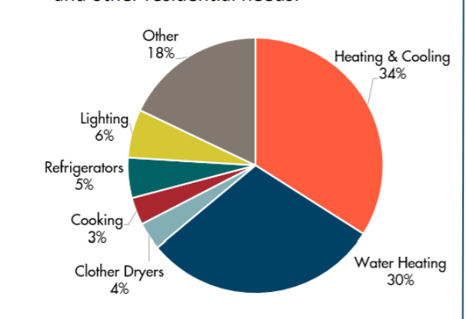
 |  |  |  |  |  | biomass (BTU) | 0 | 0 | 0 | 0

 |  |  |  |  |  |  | Lighting |  | 0.06
 |  |  |  |  |  |  | 2015 | 2016 | 2017 | 2018 | 2019 | 2020 | 2021 | 2022 | 2023 | 2024 | 2025 | 2026 | 2027 | 2028 | 2029 | 2030 | 2031 | 2032 | 2033 | 2034 | 2035 | 2036 | 2037 | 2038 | 2039 | 2040 | 2041 | 2042 | 2043 | 2044 | 2045 | 2046 | 2047 | 2048 | 2049 | 2050
 |  |  |  |  |  | electricity (BTU) | 3738000000000 | 3804000000000 | 4110000000000 | 3.876E+12 | 4062000000000 | 4098000000000 | 4074000000000 | 4185000000000 | 4191000000000 | 4234500000000 | 4293000000000 | 4317750000000 | 4368750000000 | 4410375000000 | 4448250000000 | 4494562500000 | 4534312500000 | 4576406250000 | 4619437500000 | 4660359375000 | 4702921875000 | 4744898437500 | 4786640625000 | 4828910156250 | 4870769531250 | 4912775390625 | 4954839843750 | 4.9967724609E+12 | 5.0388076172E+12 | 5.0808061523E+12 | 5.1227900391E+12 | 5.1648068848E+12 | 5.2067980957E+12 | 5.2487984619E+12 | 5.2908024902E+12 | 5.3327982788E+12
 |  |  |  |  |  | coal (BTU) | 0 | 0 | 0 | 0 | 0
 |  |  |  |  |  | natural gas (BTU) | 0 | 0 | 0 | 0 | 0
 |  |  |  |  |  | petroleum diesel (BTU) | 0 | 0 | 0 | 0 | 0
 |  |  |  |  |  | heat (BTU) | 0 | 0 | 0 | 0 | 0
 |  |  |  |  |  | biomass (BTU) | 0 | 0 | 0 | 0 | 0

 |  |  |  |  |  |  | Appliances |  | 0.42 |  | <-- Water heating included in appliances in EPS
 |  |  |  |  |  |  | 2015 | 2016 | 2017 | 2018 | 2019 | 2020 | 2021 | 2022 | 2023 | 2024 | 2025 | 2026 | 2027 | 2028 | 2029 | 2030 | 2031 | 2032 | 2033 | 2034 | 2035 | 2036 | 2037 | 2038 | 2039 | 2040 | 2041 | 2042 | 2043 | 2044 | 2045 | 2046 | 2047 | 2048 | 2049 | 2050
 |  |  |  |  |  | total | 52752000000000 | 54726000000000 | 61320000000000 | 58128000000000
 |  |  |  |  | from US % split | % elec | 51.56%
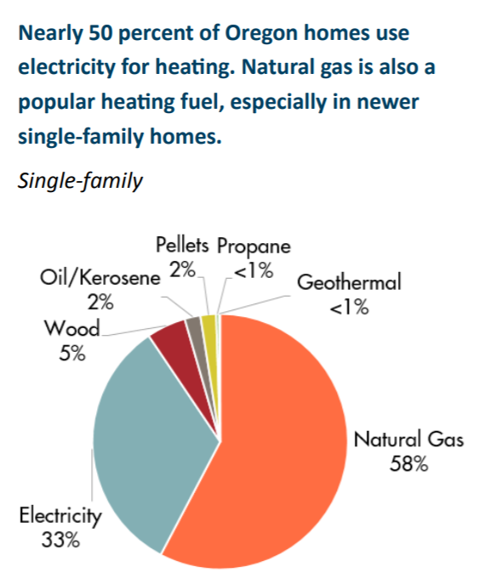
 |  |  |  |  |  | % NG | 46.17%
 |  |  |  |  |  | %petrol | 2.27%

 |  |  |  |  |  | electricity (BTU) | 2.7200100821E+13 | 2.8217938988E+13 | 3.1617951591E+13 | 2.9972085618E+13 | 2.9844097304E+13 | 2.9690027479E+13 | 2.9538970679E+13 | 2.9366014965E+13 | 2.9205720079E+13 | 2.9044298793E+13 | 2.8879892641E+13 | 2.8711418166E+13 | 2.8542827433E+13 | 2.8371522403E+13 | 2.8193154162E+13 | 2.8018527496E+13 | 2.7847397457E+13 | 2.7696883813E+13 | 2.7565209682E+13 | 2.7435597709E+13 | 2.7316211105E+13 | 2.7202110985E+13 | 2.710119462E+13 | 2.7015647928E+13 | 2.6940215495E+13 | 2.6873434764E+13 | 2.6819972388E+13 | 2.6778487935E+13 | 2.6748937149E+13 | 2.6731130333E+13 | 2.6724114384E+13 | 2.672665352E+13 | 2.6738651316E+13 | 2.6759798005E+13 | 2.6788784257E+13 | 2.6822276282E+13
 |  |  |  |  |  | coal (BTU) | 0 | 0 | 0 | 0
 |  |  |  |  |  | natural gas (BTU) | 2.4356003594E+13 | 2.5267414556E+13 | 2.8311915006E+13 | 2.6838144087E+13 | 2.6334191665E+13 | 2.5785246374E+13 | 2.5526072903E+13 | 2.5218962832E+13 | 2.49127253E+13 | 2.4612457187E+13 | 2.4325552067E+13 | 2.4055010041E+13 | 2.3804898213E+13 | 2.3571999836E+13 | 2.3350431211E+13 | 2.3147168936E+13 | 2.2959999474E+13 | 2.2802597342E+13 | 2.2672506198E+13 | 2.2554368615E+13 | 2.2455072635E+13 | 2.2369659792E+13 | 2.2304317024E+13 | 2.2259616106E+13 | 2.222914852E+13 | 2.2209407364E+13 | 2.2202186921E+13 | 2.220398247E+13 | 2.2212662244E+13 | 2.222630859E+13 | 2.2242818872E+13 | 2.226034025E+13 | 2.2278529504E+13 | 2.2297234353E+13 | 2.2315779833E+13 | 2.2331919256E+13
 |  |  |  |  |  | petroleum diesel (BTU) | 1.1958955854E+12 | 1.2406464553E+12 | 1.3901334035E+12 | 1.3177702948E+12 | 1.2869963003E+12 | 1.2552898145E+12 | 1.2434642882E+12 | 1.2303173332E+12 | 1.2177191729E+12 | 1.2055955275E+12 | 1.1941621582E+12 | 1.1835034803E+12 | 1.1737874951E+12 | 1.1648397221E+12 | 1.1563642885E+12 | 1.1487091607E+12 | 1.1417836158E+12 | 1.1362996213E+12 | 1.1321752019E+12 | 1.1287111036E+12 | 1.126281172E+12 | 1.124665243E+12 | 1.1241790622E+12 | 1.1248407425E+12 | 1.1263181928E+12 | 1.1284101194E+12 | 1.1311701141E+12 | 1.1343947195E+12 | 1.1379515176E+12 | 1.1417251714E+12 | 1.1455973174E+12 | 1.1494679906E+12 | 1.1533161749E+12 | 1.1571324621E+12 | 1.1608839257E+12 | 1.1644621615E+12
 |  |  |  |  |  | heat (BTU) | 0 | 0 | 0 | 0
 |  |  |  |  |  | biomass (BTU) | 0 | 0 | 0 | 0

 |  |  |  |  |  |  | Other |  | 0.18
 |  |  |  |  |  |  | 2015 | 2016 | 2017 | 2018 | 2019 | 2020 | 2021 | 2022 | 2023 | 2024 | 2025 | 2026 | 2027 | 2028 | 2029 | 2030 | 2031 | 2032 | 2033 | 2034 | 2035 | 2036 | 2037 | 2038 | 2039 | 2040 | 2041 | 2042 | 2043 | 2044 | 2045 | 2046 | 2047 | 2048 | 2049 | 2050
 |  |  |  |  |  | total | 22608000000000 | 23454000000000 | 26280000000000 | 24912000000000
 |  |  |  |  | from US % split | % elec | 89.27%
 |  |  |  |  |  | % NG | 10.37%
 |  |  |  |  |  | %petrol | 0.36%

 |  |  |  |  |  | electricity (BTU) | 2.0182053057E+13 | 2.0937273195E+13 | 2.3460029827E+13 | 2.2238822795E+13 | 2.3014989507E+13 | 2.3757988095E+13 | 2.4439613046E+13 | 2.5057603077E+13 | 2.5607822275E+13 | 2.5824189955E+13 | 2.6042627566E+13 | 2.6262164745E+13 | 2.6482846124E+13 | 2.6702334651E+13 | 2.6919906154E+13 | 2.7140207922E+13 | 2.7357420704E+13 | 2.7563218341E+13 | 2.7767294513E+13 | 2.7965354592E+13 | 2.8177617708E+13 | 2.8397629921E+13 | 2.8603561257E+13 | 2.8805335306E+13 | 2.899450054E+13 | 2.9182713103E+13 | 2.937108635E+13 | 2.9554234175E+13 | 2.9730821962E+13 | 2.9905003232E+13 | 3.0075834525E+13 | 3.0243423237E+13 | 3.0407756237E+13 | 3.056849392E+13 | 3.0725102775E+13 | 3.0878250735E+13
 |  |  |  |  |  | coal (BTU) | 0 | 0 | 0 | 0
 |  |  |  |  |  | natural gas (BTU) | 2.345339009E+12 | 2.433102491E+12 | 2.7262698672E+12 | 2.5843544494E+12 | 2.5957159817E+12 | 2.6055697646E+12 | 2.6126460889E+12 | 2.6213246121E+12 | 2.6294778345E+12 | 2.6425235111E+12 | 2.6556304752E+12 | 2.6686908219E+12 | 2.6817142109E+12 | 2.6944776333E+12 | 2.706912497E+12 | 2.7193969501E+12 | 2.7314626487E+12 | 2.7423224252E+12 | 2.7528405332E+12 | 2.7626729674E+12 | 2.7734943776E+12 | 2.784905879E+12 | 2.7948807975E+12 | 2.8042527643E+12 | 2.8124326219E+12 | 2.8202899103E+12 | 2.8280569928E+12 | 2.8351491852E+12 | 2.841395986E+12 | 2.8473326748E+12 | 2.852819498E+12 | 2.8578752594E+12 | 2.8625208617E+12 | 2.8667094554E+12 | 2.8703873927E+12 | 2.8736469537E+12
 |  |  |  |  |  | petroleum diesel (BTU) | 80607934476 | 83624314190 | 93700306000 | 88822755824 | 88775199125 | 88713937869 | 88632362567 | 88530861553 | 88417170605 | 89168981111 | 89928089387 | 90690909969 | 91457755663 | 92221064212 | 92978466555 | 93743236050 | 94498862507 | 95217479060 | 95929491599 | 96622604504 | 97356749449 | 98117622455 | 98832692748 | 99531784294 | 1.0019299013E+11 | 1.0084793777E+11 | 1.0150458606E+11 | 1.0214208163E+11 | 1.0275393943E+11 | 1.0335927459E+11 | 1.0395295953E+11 | 1.0453548179E+11 | 1.0510730729E+11 | 1.0566665844E+11 | 1.0621138129E+11 | 1.0674467954E+11
 |  |  |  |  |  | heat (BTU) | 0 | 0 | 0 | 0
 |  |  |  |  |  | biomass (BTU) | 0 | 0 | 0 | 0
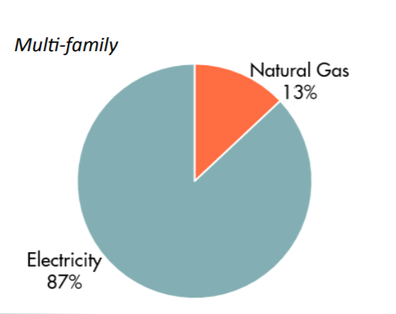

 |  |  |  | 60 | avg elec
 |  |  |  | 35.5 | avg ng

OR comm calcs
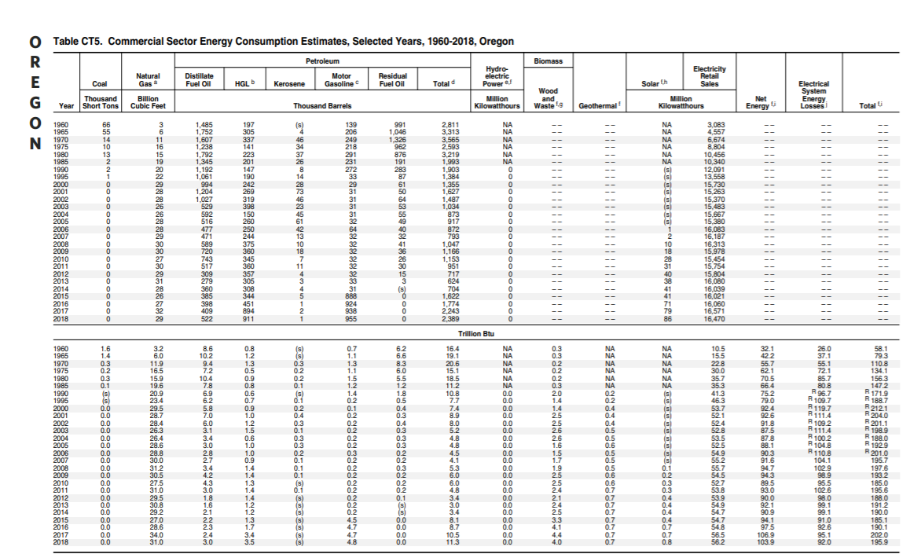
 |  |  |  |  |  |  |  |  | Heating/Cooling/Ventilation |  | 0.33
 |  |  |  |  |  |  |  |  | 2015 | 2016 | 2017 | 2018
 |  |  |  |  |  |  |  | Total | 30855000000000 | 31977000000000 | 35013000000000 | 34089000000000
 |  |  |  |  |  |  |  | % NG | 0.67
 |  |  |  |  |  |  |  | % Elec | 0.3
 |  |  |  |  |  |  |  | % Petrol | 0.03
OR Comm. Energy Use (from table below)
 | Year | 2015 | 2016 | 2017 | 2018 |  | heating/cooling/vent |  | 2015 | 2016 | 2017 | 2018
 | electricity (BTU) | 55100000000000 | 55500000000000 | 57200000000000 | 57000000000000 |  |  | electricity (BTU) | 9256500000000 | 9593100000000 | 10503900000000 | 10226700000000
 | coal (BTU) | 0 | 0 | 0 | 0 |  |  | coal (BTU)
 | natural gas (BTU) | 27000000000000 | 28600000000000 | 34000000000000 | 31000000000000 |  |  | natural gas (BTU) | 20672850000000 | 21424590000000 | 23458710000000 | 22839630000000
 | petroleum diesel (BTU) | 8100000000000 | 8.7E+12 | 10500000000000 | 11300000000000 |  |  | petroleum diesel (BTU) | 925650000000 | 959310000000 | 1050390000000 | 1022670000000
 | heat (BTU) | 0 | 0 | 0 | 0 |  |  | heat (BTU)
 | biomass (BTU) | 3300000000000 | 4.1E+12 | 4400000000000 | 4000000000000 |  |  | biomass (BTU)
 |  | 93500000000000 | 96900000000000 | 106100000000000 | 103300000000000
 |  |  |  |  |  |  |  |  | 2015 | 2016 | 2017 | 2018 | 2019 | 2020 | 2021 | 2022 | 2023 | 2024 | 2025 | 2026 | 2027 | 2028 | 2029 | 2030 | 2031 | 2032 | 2033 | 2034 | 2035 | 2036 | 2037 | 2038 | 2039 | 2040 | 2041 | 2042 | 2043 | 2044 | 2045 | 2046 | 2047 | 2048 | 2049 | 2050
 | Year | 2015 | 2016 | 2017 | 2018 |  | heating | electricity (BTU) | 6.3723169091E+12 | 6.604037524E+12 | 7.2310462466E+12 | 7.040217505E+12 | 7.1027345855E+12 | 7.1008609584E+12 | 7.0428375579E+12 | 6.9340341821E+12 | 6.7816742837E+12 | 6.5934046647E+12 | 6.4112549054E+12 | 6.2072244397E+12 | 5.9882582547E+12 | 5.7602382056E+12 | 5.5279022174E+12 | 5.2948513828E+12 | 5.0639119652E+12 | 4.8372992896E+12 | 4.616940822E+12 | 4.4045105178E+12 | 4.2015603275E+12 | 4.0238208282E+12 | 3.8680166597E+12 | 3.7316069965E+12 | 3.61251826E+12 | 3.5090112052E+12 | 3.4195367614E+12 | 3.3427460684E+12 | 3.2774291223E+12 | 3.2225085068E+12 | 3.177007745E+12 | 3.1400774479E+12 | 3.110931817E+12 | 3.0888680876E+12 | 3.0732393729E+12 | 3.0634270685E+12
million BTU | electricity (BTU) | 55.1 | 55.5 | 57.2 | 57 |  |  | coal (BTU)
 | coal (BTU) | 0 | 0 | 0 | 0 |  |  | natural gas (BTU) | 1.4231507764E+13 | 1.4749017137E+13 | 1.6149336617E+13 | 1.5723152428E+13 | 1.5605908416E+13 | 1.5453172091E+13 | 1.5270633524E+13 | 1.5064969025E+13 | 1.4847201757E+13 | 1.4623395313E+13 | 1.4474971888E+13 | 1.4324722116E+13 | 1.4173698908E+13 | 1.4022819041E+13 | 1.387262497E+13 | 1.3723922087E+13 | 1.3814801348E+13 | 1.3907216501E+13 | 1.400130759E+13 | 1.4097289386E+13 | 1.4195411899E+13 | 1.4296824399E+13 | 1.4401857483E+13 | 1.4510824107E+13 | 1.4624075644E+13 | 1.4741900033E+13 | 1.4864496058E+13 | 1.4992013286E+13 | 1.5124529293E+13 | 1.526203604E+13 | 1.5404439286E+13 | 1.5551534421E+13 | 1.5703047798E+13 | 1.5858589716E+13 | 1.6017704685E+13 | 1.6179872448E+13
 | natural gas (BTU) | 27 | 28.6 | 34 | 31 |  |  | petroleum diesel (BTU) | 925650000000 | 959310000000 | 1050390000000 | 1022670000000 | 1022670000000 | 1022670000000 | 1022670000000 | 1022670000000 | 1022670000000 | 1022670000000 | 1022670000000 | 1022670000000 | 1022670000000 | 1022670000000 | 1022670000000 | 1022670000000 | 1022670000000 | 1022670000000 | 1022670000000 | 1022670000000 | 1022670000000 | 1022670000000 | 1022670000000 | 1022670000000 | 1022670000000 | 1022670000000 | 1022670000000 | 1022670000000 | 1022670000000 | 1022670000000 | 1022670000000 | 1022670000000 | 1022670000000 | 1022670000000 | 1022670000000 | 1022670000000
 | petroleum diesel (BTU) | 8.1 | 8.7 | 10.5 | 11.3 |  |  | heat (BTU)
district heat | heat (BTU) | 0 | 0 | 0 | 0 |  |  | biomass (BTU)
 | biomass (BTU) | 3.3 | 4.1 | 4.4 | 4
 |  |  |  |  |  |  |  |  | 2015 | 2016 | 2017 | 2018 | 2019 | 2020 | 2021 | 2022 | 2023 | 2024 | 2025 | 2026 | 2027 | 2028 | 2029 | 2030 | 2031 | 2032 | 2033 | 2034 | 2035 | 2036 | 2037 | 2038 | 2039 | 2040 | 2041 | 2042 | 2043 | 2044 | 2045 | 2046 | 2047 | 2048 | 2049 | 2050
 | trillion conversion | 1000000000000 |  |  |  |  | cooling | electricity (BTU) | 2.8841830909E+12 | 2.989062476E+12 | 3.2728537534E+12 | 3.186482495E+12 | 3.1753718576E+12 | 3.1555536189E+12 | 3.1295885515E+12 | 3.1000068566E+12 | 3.0703122316E+12 | 3.0421852146E+12 | 3.0323623164E+12 | 3.0248397262E+12 | 3.0194809296E+12 | 3.0160735305E+12 | 3.0144218819E+12 | 3.014484888E+12 | 3.0162300492E+12 | 3.0197125217E+12 | 3.0250598398E+12 | 3.0324309766E+12 | 3.0419841062E+12 | 3.0538305027E+12 | 3.0680192429E+12 | 3.0845174829E+12 | 3.1032199682E+12 | 3.1239569744E+12 | 3.1465175005E+12 | 3.1706703947E+12 | 3.1961846616E+12 | 3.222843107E+12 | 3.2504542896E+12 | 3.2788527046E+12 | 3.307900328E+12 | 3.337480497E+12 | 3.3674983969E+12 | 3.3978750653E+12
 |  |  |  |  |  |  |  | coal (BTU)
https://www.oregon.gov/energy/Data-and-Reports/Documents/BER-Chapter-1-Energy-Numbers.pdf |  |  |  |  |  |  |  | natural gas (BTU) | 6.4413422363E+12 | 6.675572863E+12 | 7.3093733825E+12 | 7.1164775723E+12 | 7.1164775723E+12 | 7.1164775723E+12 | 7.1164775723E+12 | 7.1164775723E+12 | 7.1164775723E+12 | 7.1164775723E+12 | 7.1164775723E+12 | 7.1164775723E+12 | 7.1164775723E+12 | 7.1164775723E+12 | 7.1164775723E+12 | 7.1164775723E+12 | 7.1164775723E+12 | 7.1164775723E+12 | 7.1164775723E+12 | 7.1164775723E+12 | 7.1164775723E+12 | 7.1164775723E+12 | 7.1164775723E+12 | 7.1164775723E+12 | 7.1164775723E+12 | 7.1164775723E+12 | 7.1164775723E+12 | 7.1164775723E+12 | 7.1164775723E+12 | 7.1164775723E+12 | 7.1164775723E+12 | 7.1164775723E+12 | 7.1164775723E+12 | 7.1164775723E+12 | 7.1164775723E+12 | 7.1164775723E+12
pg. 45 |  |  |  |  |  |  |  | petroleum diesel (BTU)
 |  |  |  |  |  |  |  | heat (BTU)
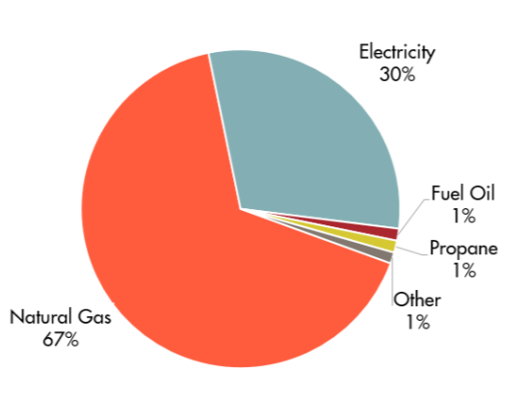
 |  |  |  |  |  |  |  | biomass (BTU)

 |  |  |  |  |  | 0.11 | lighting | electricity (BTU) | 2015 | 2016 | 2017 | 2018 | 2019 | 2020 | 2021 | 2022 | 2023 | 2024 | 2025 | 2026 | 2027 | 2028 | 2029 | 2030 | 2031 | 2032 | 2033 | 2034 | 2035 | 2036 | 2037 | 2038 | 2039 | 2040 | 2041 | 2042 | 2043 | 2044 | 2045 | 2046 | 2047 | 2048 | 2049 | 2050
 |  |  |  |  |  |  |  | coal (BTU) | 6061000000000 | 6105000000000 | 6292000000000 | 6270000000000 | 6.2099053438E+12 | 6.1435785586E+12 | 6.0722860362E+12 | 5.9869966699E+12 | 5.8773228504E+12 | 5.7321512382E+12 | 5.5445408231E+12 | 5.3122156299E+12 | 5.0393508407E+12 | 4.7364880585E+12 | 4.418774004E+12 | 4.1028588236E+12 | 3.8113561424E+12 | 3.5524986271E+12 | 3.3303275195E+12 | 3.1453546353E+12 | 2.9956898065E+12 | 2.8780744995E+12 | 2.7886300657E+12 | 2.7233493057E+12 | 2.6783704814E+12 | 2.6501203182E+12 | 2.6353816512E+12 | 2.6313293937E+12 | 2.6355423448E+12 | 2.6459989999E+12 | 2.6610608074E+12 | 2.6794430623E+12 | 2.700162855E+12 | 2.7224973837E+12 | 2.7459257748E+12 | 2.7700838868E+12
 |  |  |  |  |  |  |  | natural gas (BTU)
 |  |  |  |  |  |  |  | petroleum diesel (BTU)
 |  |  |  |  |  |  |  | heat (BTU)
 |  |  |  |  |  |  |  | biomass (BTU)

 |  |  |  |  |  |  |  |  | 2015 | 2016 | 2017 | 2018 | 2019 | 2020 | 2021 | 2022 | 2023 | 2024 | 2025 | 2026 | 2027 | 2028 | 2029 | 2030 | 2031 | 2032 | 2033 | 2034 | 2035 | 2036 | 2037 | 2038 | 2039 | 2040 | 2041 | 2042 | 2043 | 2044 | 2045 | 2046 | 2047 | 2048 | 2049 | 2050
 |  |  |  |  |  | 0.41 | appliances | total | 38335000000000 | 39729000000000 | 43501000000000 | 42353000000000
 |  |  |  |  |  |  |  | % elec | 44.81%
 |  |  |  |  |  |  |  | % ng | 54.78%
 |  |  |  |  |  |  |  | % petrol | 0.41%
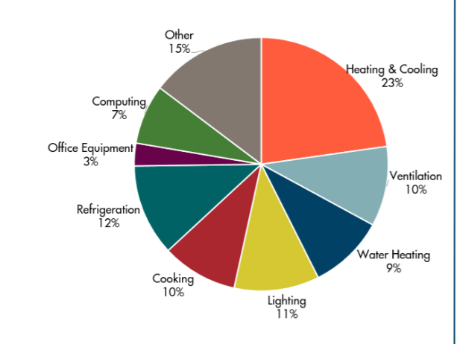
 |  |  |  |  |  |  |  | electricity (BTU) | 1.7177142361E+13 | 1.7801765719E+13 | 1.9491923043E+13 | 1.8977527336E+13 | 1.9091738403E+13 | 1.9130574748E+13 | 1.9098372705E+13 | 1.901366504E+13 | 1.8904503506E+13 | 1.8785925035E+13 | 1.8678698367E+13 | 1.8571852007E+13 | 1.8467167658E+13 | 1.8367775423E+13 | 1.827838682E+13 | 1.8204093685E+13 | 1.8148064373E+13 | 1.8112284548E+13 | 1.8096849109E+13 | 1.8100444496E+13 | 1.8120970531E+13 | 1.8156034513E+13 | 1.8203365372E+13 | 1.8261038067E+13 | 1.8327506876E+13 | 1.8401614704E+13 | 1.8485717376E+13 | 1.8579001514E+13 | 1.8680729511E+13 | 1.879022318E+13 | 1.8906767895E+13 | 1.9029691058E+13 | 1.9158320447E+13 | 1.9292032301E+13 | 1.9430269327E+13 | 1.9572578235E+13
 |  |  |  |  |  |  |  | coal (BTU)
 |  |  |  |  |  |  |  | natural gas (BTU) | 2.1000170734E+13 | 2.1763813307E+13 | 2.3830140267E+13 | 2.3201258148E+13 | 24616242914443 | 2.5334965335E+13 | 2.5728016659E+13 | 26794870252674 | 2.7350757125E+13 | 2.8080709584E+13 | 28892079816667 | 2.9534999482E+13 | 3.0305660828E+13 | 3.1032805777E+13 | 3.1739596283E+13 | 3.248849943E+13 | 3.3205467158E+13 | 3.3933313984E+13 | 3.4666249422E+13 | 3.5388656699E+13 | 36119047831008 | 3.6846719188E+13 | 37573118392790 | 3.8302149637E+13 | 3.9029184918E+13 | 39756900142914 | 4.0484933406E+13 | 4.1212308658E+13 | 4.1940182902E+13 | 4.266788716E+13 | 43395511908062 | 4.4123301159E+13 | 44850965661759 | 4.5578672661E+13 | 4.6306399538E+13 | 4.7034085289E+13
 |  |  |  |  |  |  |  | petroleum diesel (BTU) | 1.5768690461E+11 | 1.6342097386E+11 | 1.7893669068E+11 | 1.74214516E+11 | 1.8483940903E+11 | 1.8483940903E+11 | 1.8483940903E+11 | 1.8483940903E+11 | 1.8483940903E+11 | 1.8483940903E+11 | 1.8483940903E+11 | 1.8483940903E+11 | 1.8483940903E+11 | 1.8483940903E+11 | 1.8483940903E+11 | 1.8483940903E+11 | 1.8483940903E+11 | 1.8483940903E+11 | 1.8483940903E+11 | 1.8483940903E+11 | 1.8483940903E+11 | 1.8483940903E+11 | 1.8483940903E+11 | 1.8483940903E+11 | 1.8483940903E+11 | 1.8483940903E+11 | 1.8483940903E+11 | 1.8483940903E+11 | 1.8483940903E+11 | 1.8483940903E+11 | 1.8483940903E+11 | 1.8483940903E+11 | 1.8483940903E+11 | 1.8483940903E+11 | 1.8483940903E+11 | 1.8483940903E+11
 |  |  |  |  |  |  |  | heat (BTU)
 |  |  |  |  |  |  |  | biomass (BTU)

 |  |  |  |  |  |  |  |  | 2015 | 2016 | 2017 | 2018 | 2019 | 2020 | 2021 | 2022 | 2023 | 2024 | 2025 | 2026 | 2027 | 2028 | 2029 | 2030 | 2031 | 2032 | 2033 | 2034 | 2035 | 2036 | 2037 | 2038 | 2039 | 2040 | 2041 | 2042 | 2043 | 2044 | 2045 | 2046 | 2047 | 2048 | 2049 | 2050
 |  |  |  |  |  | 0.15 | other | total | 14025000000000 | 14535000000000 | 15915000000000 | 15495000000000
 |  |  |  |  |  |  |  | % elec | 74.03%
 |  |  |  |  |  |  |  | % ng | 22.80%
 |  |  |  |  |  |  |  | % petrol | 3.16%

 |  |  |  |  |  |  |  | electricity (BTU) | 1.04E+13 | 1.08E+13 | 1.18E+13 | 1.15E+13 | 1.18E+13 | 1.20E+13 | 1.21E+13 | 1.22E+13 | 1.23E+13 | 1.25E+13 | 1.26E+13 | 1.27E+13 | 1.27E+13 | 1.28E+13 | 1.29E+13 | 1.30E+13 | 1.31E+13 | 1.32E+13 | 1.32E+13 | 1.33E+13 | 1.33E+13 | 1.34E+13 | 1.35E+13 | 1.35E+13 | 1.35E+13 | 1.36E+13 | 1.36E+13 | 1.36E+13 | 1.37E+13 | 1.37E+13 | 1.37E+13 | 1.37E+13 | 1.37E+13 | 1.37E+13 | 1.37E+13 | 1.36E+13
 |  |  |  |  |  |  |  | coal (BTU)
 |  |  |  |  |  |  |  | natural gas (BTU) | 3.20E+12 | 3.31E+12 | 3.63E+12 | 3.53E+12 | 3.55E+12 | 3.55E+12 | 3.56E+12 | 3.56E+12 | 3.55E+12 | 3.55E+12 | 3.54E+12 | 3.53E+12 | 3.51E+12 | 3.50E+12 | 3.48E+12 | 3.47E+12 | 3.56E+12 | 3.64E+12 | 3.72E+12 | 3.80E+12 | 3.87E+12 | 3.94E+12 | 4.00E+12 | 4.07E+12 | 4.13E+12 | 4.18E+12 | 4.24E+12 | 4.29E+12 | 4.33E+12 | 4.38E+12 | 4.42E+12 | 4.45E+12 | 4.48E+12 | 4.51E+12 | 4.54E+12 | 4.56E+12
 |  |  |  |  |  |  |  | petroleum diesel (BTU) | 4.44E+11 | 4.60E+11 | 5.03E+11 | 4.90E+11 | 4.90E+11 | 4.90E+11 | 4.90E+11 | 4.90E+11 | 4.90E+11 | 4.90E+11 | 4.90E+11 | 4.90E+11 | 4.90E+11 | 4.90E+11 | 4.90E+11 | 4.90E+11 | 4.90E+11 | 4.90E+11 | 4.90E+11 | 4.90E+11 | 4.90E+11 | 4.90E+11 | 4.90E+11 | 4.90E+11 | 4.90E+11 | 4.90E+11 | 4.90E+11 | 4.90E+11 | 4.90E+11 | 4.90E+11 | 4.90E+11 | 4.90E+11 | 4.90E+11 | 4.90E+11 | 4.90E+11 | 4.90E+11
 |  |  |  |  |  |  |  | heat (BTU)
 |  |  |  |  |  |  |  | biomass (BTU)

